Basic PT
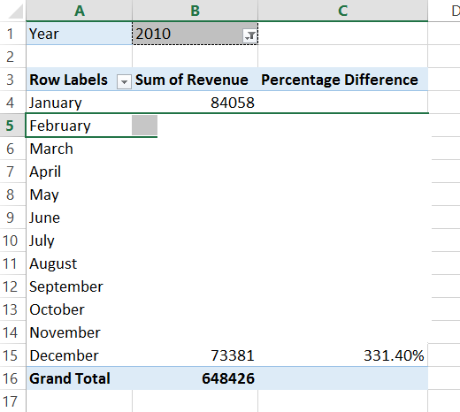
Sum of Revenue | Column Labels
Row Labels | 2009 | 2010 | 2011 | Grand Total
January | 10453 | 84058 | 45615 | 140126
February | 47996 | 74896 | 32943 | 155835
March | 113126 | 41689 | 19821 | 174636
April | 69613 | 59910 | 39770 | 169293
May | 65155 | 49345 | 29600 | 144100
June | 54814 | 42355 | 61331 | 158500
July | 34930 | 87516 | 38863 | 161309
August | 51588 | 33060 | 47287 | 131935
September | 60835 | 48963 | 45559 | 155357
October | 85607 | 36243 | 30805 | 152655
November | 72602 | 17010 | 48207 | 137819
December | 30043 | 73381 | 79733 | 183157
Grand Total | 696762 | 648426 | 519534 | 1864722

Expected Output:

